read the display
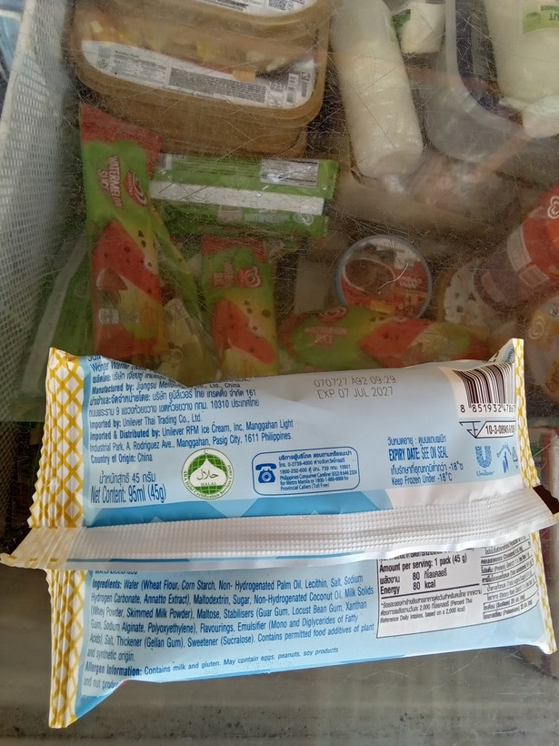
row | image_code | photograph | pull_item | raw_weight | raw_tick | corrected_weight | photo_g | photo_unit | ratio | offby | photo_src | pull_province | pull_municipal_city | approve | correct_value | notes
1 | 1776382150188 | 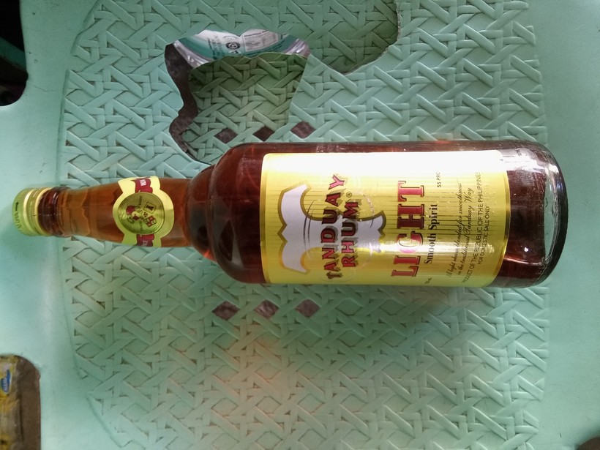 | liquor (e.g, whisky, coconut wine) | 0.75 | Litres (L) | 750 | 375 | mL | 0.5 | 2 | package label (mL) | CAPIZ | PILAR | no | 750 mL | cannot read from bottle, but assuming enumerator entered correctly
2 | 1776043707559 |  | ice cream, sorbet, edible ice (eg., ice-lolli, halo-halo) | 45 | grams (g) | 45 | 95 | mL | 2.1111111111 | 2.1111111111 | package label (mL) | ILOILO | ALIMODIAN | no | 45 g | 45 g also read from packaging, so we should always use that
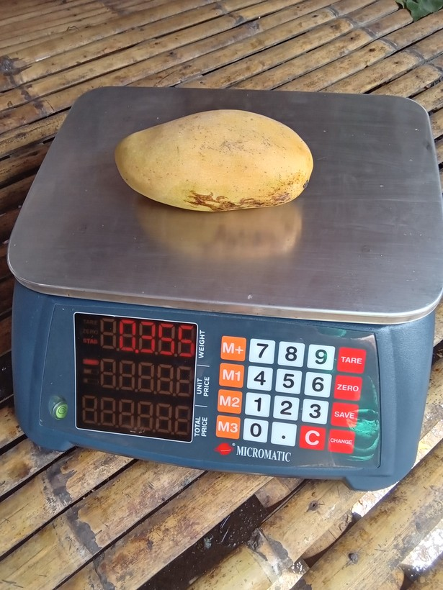
3 | 1777687199972 |  | mango | 0.35499999 | grams (g) | 355 | 955 | g | 2.6901408451 | 2.6901408451 | sonnet sweep | AKLAN | LIBACAO | no | 355 g
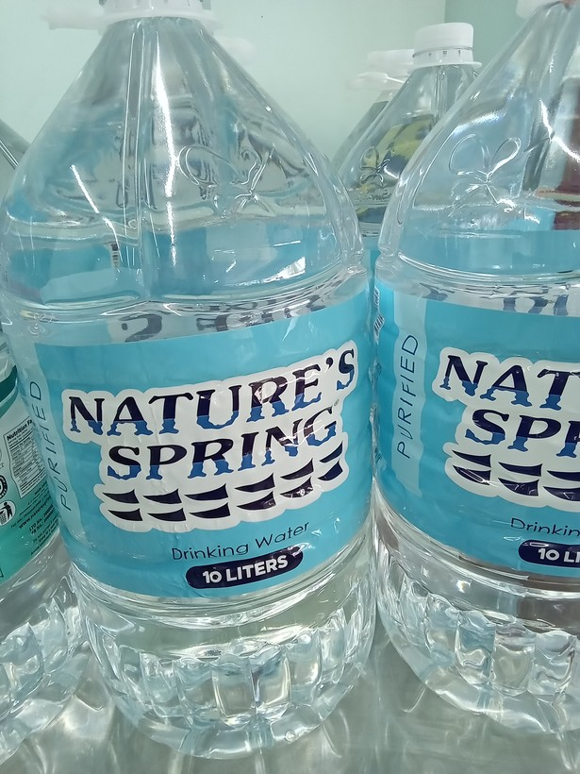
4 | 1776049347564 |  | mineral or spring water, all drinking water sold in containers | 0.0099999998 | Litres (L) | 1000 | 10000 | mL | 10 | 10 | package label (mL) | CAPIZ | SAPI-AN | yes
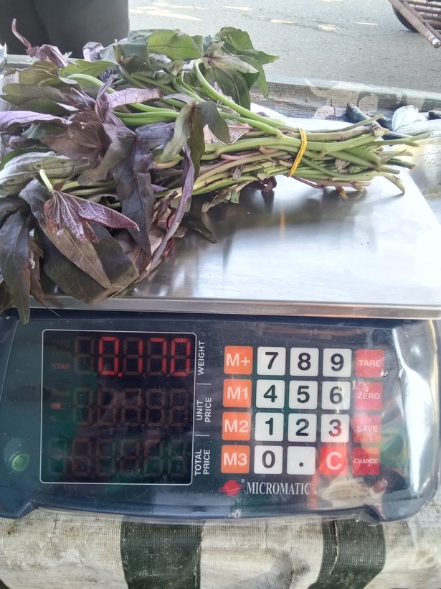
5 | 1773909424751 |  | camote tops | 0.17 | grams (g) | 170 | 70 | g | 0.41176470588 | 2.4285714286 | sonnet sweep | ILOILO | SARA | no | 170 g
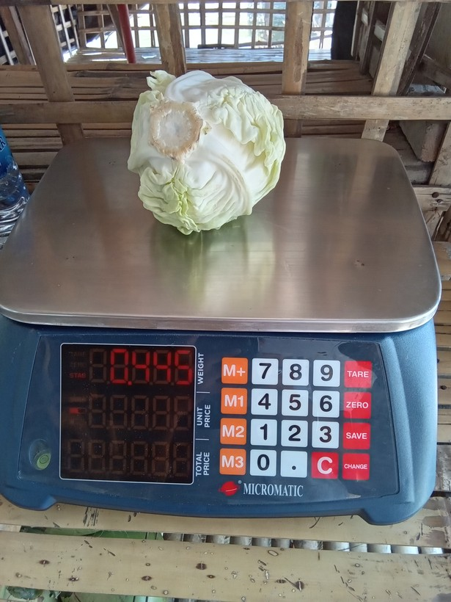
6 | 1775881831214 |  | cabbage | 0.44499999 | grams (g) | 445 | 995 | g | 2.2359550562 | 2.2359550562 | sonnet sweep | ILOILO | MAASIN | no | 445 g
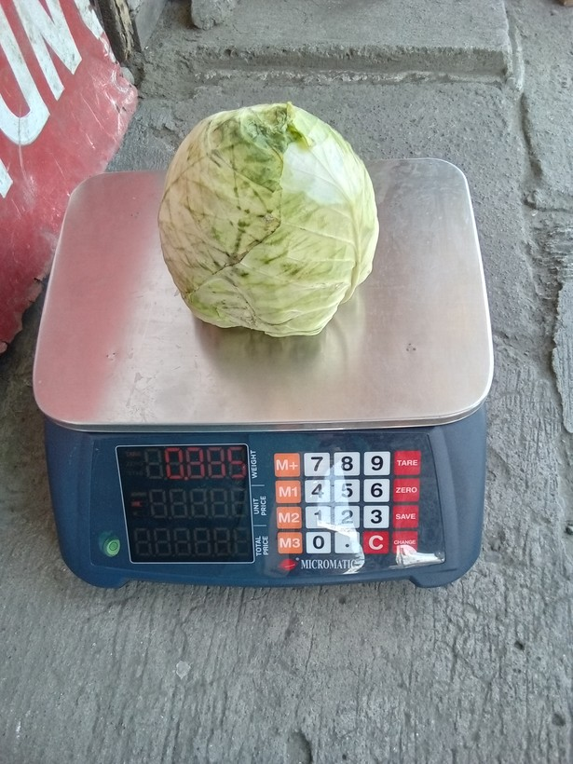
7 | 1774320998883 |  | cabbage | 0.88499999 | grams (g) | 885 | 85 | g | 0.09604519774 | 10.411764706 | sonnet sweep | ILOILO | SAN MIGUEL | no | 885 g
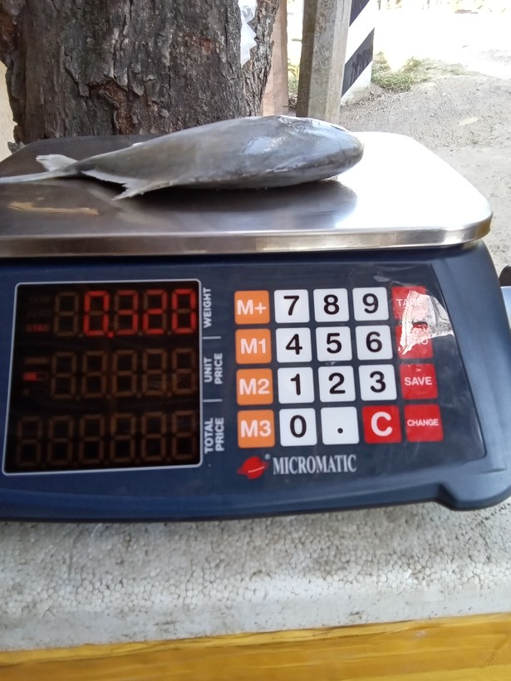
8 | 1773969852875 |  | fresh fish | 0.31999999 | grams (g) | 320 | 920 | g | 2.875 | 2.875 | sonnet sweep | ILOILO | SANTA BARBARA | no | 320 g
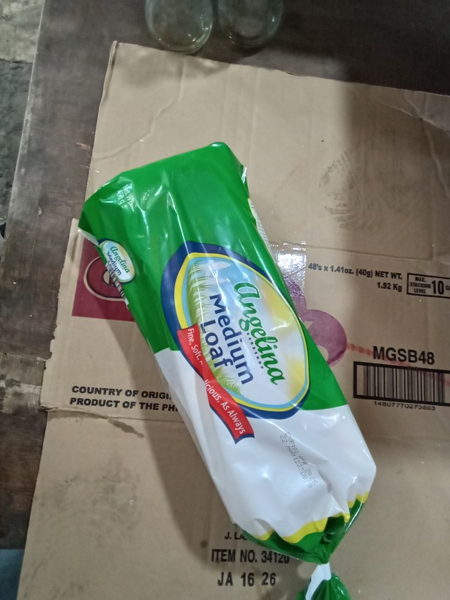
9 | 1774323955212 |  | loaf bread | 450 | grams (g) | 450 | 40 | g | 0.088888888889 | 11.25 | package label (g) | ILOILO | ESTANCIA | no | 450 g
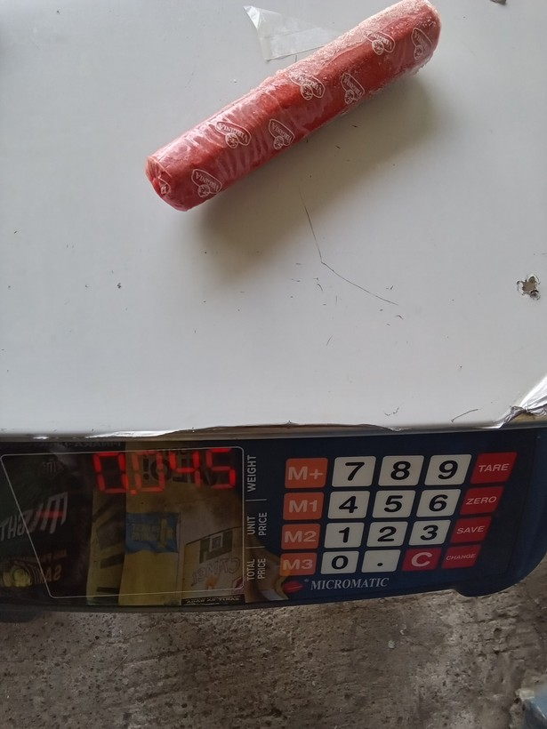
10 | 1777343511311 |  | preserved or processed meat (tocino, tapa, longaniza, etc) | 45 | grams (g) | 450 | 45 | g | 0.1 | 10 | sonnet tiled | NEGROS OCCIDENTAL | PULUPANDAN | yes | 45 g
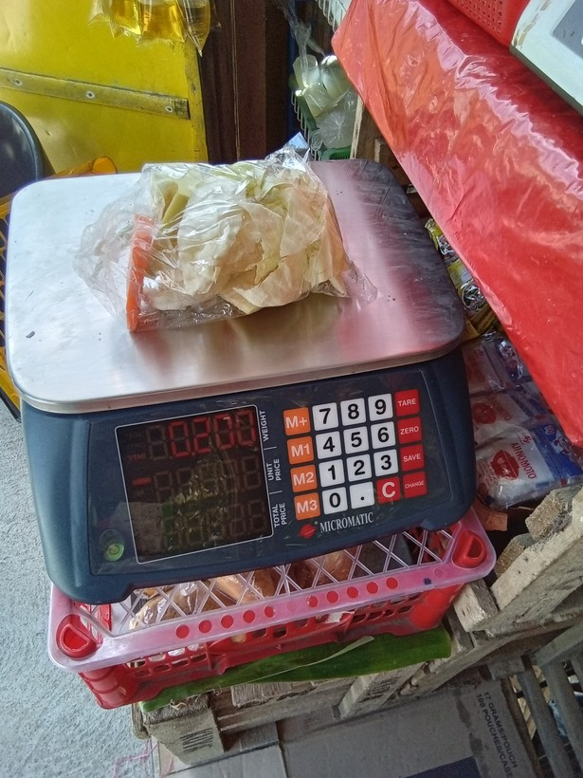
11 | 1778895306551 |  | cabbage | 0.2 | grams (g) | 200 | 0 | g | 0 | 0 | sonnet sweep | ILOILO | CABATUAN | no | 200 g
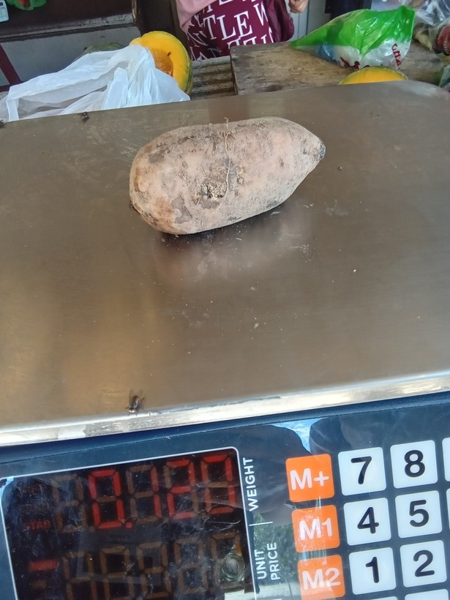
12 | 1773890518371 |  | camote | 0.12 | grams (g) | 120 | 20 | g | 0.16666666667 | 6 | sonnet sweep | ILOILO | LEMERY | no | 120 g
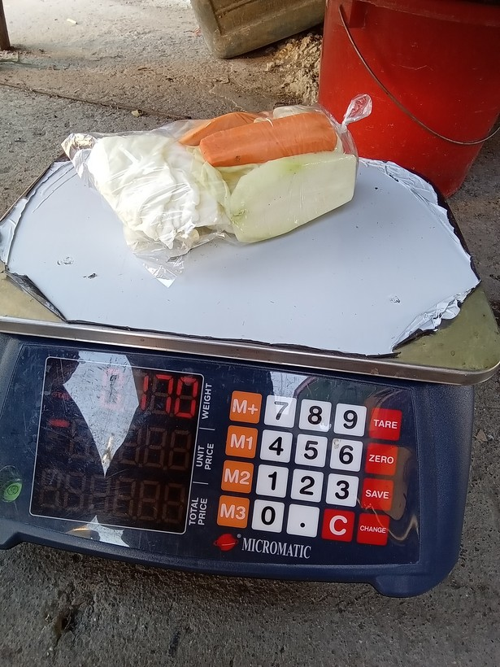
13 | 1775867745173 |  | cabbage | 0.17 | grams (g) | 170 | 1700 | g | 10 | 10 | sonnet sweep | ILOILO | ALIMODIAN | no | 170 g
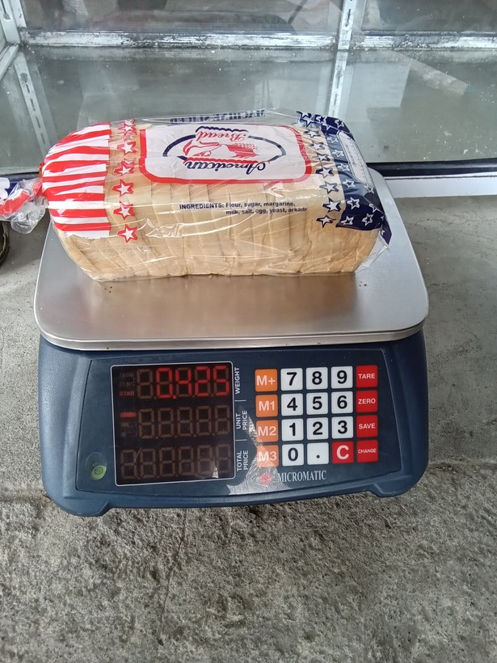
14 | 1778724253291 |  | loaf bread | 0.42500001 | grams (g) | 425 | 925 | g | 2.1764705882 | 2.1764705882 | sonnet sweep | ILOILO | SANTA BARBARA | no | 425 g
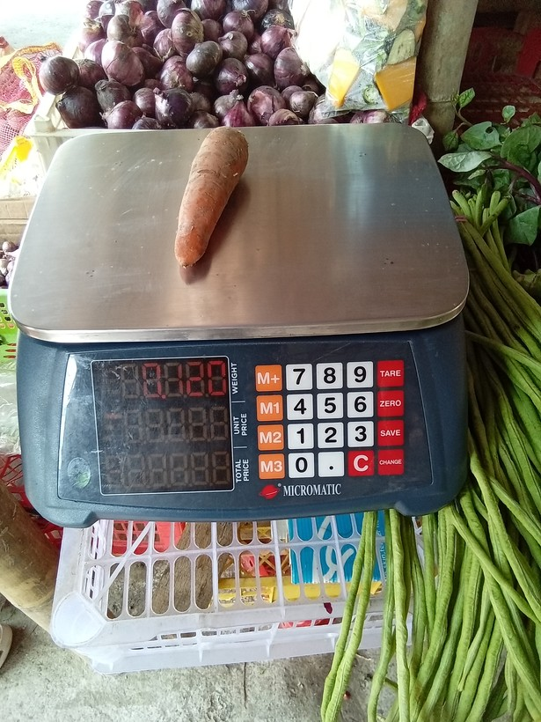
15 | 1776665156649 |  | carrot | 0.12 | grams (g) | 120 | 20 | g | 0.16666666667 | 6 | sonnet sweep | ANTIQUE | PANDAN | no | 120 g
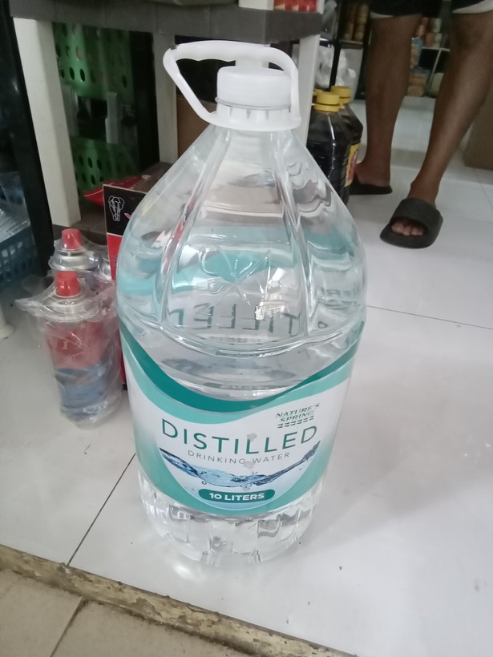
16 | 1775699754212 |  | mineral or spring water, all drinking water sold in containers | 0.0099999998 | Litres (L) | 1000 | 10000 | mL | 10 | 10 | package label (mL) | CAPIZ | DUMALAG | yes
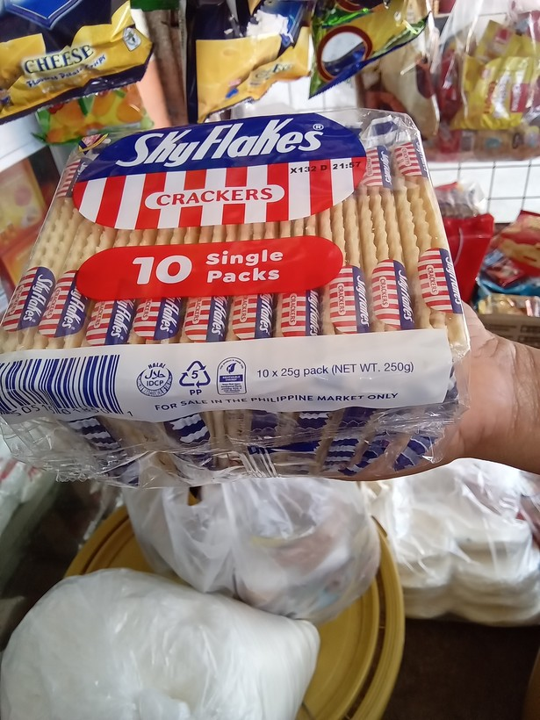
17 | 1777265670677 |  | crackers, cookies, buiscuits, chips/curls | 250 | grams (g) | 250 | 25 | g | 0.1 | 10 | package label (g) | AKLAN | BURUANGA | yes |  | depends on the NSU used; individual package (small packets) is 25g; 10 packs is 250 g
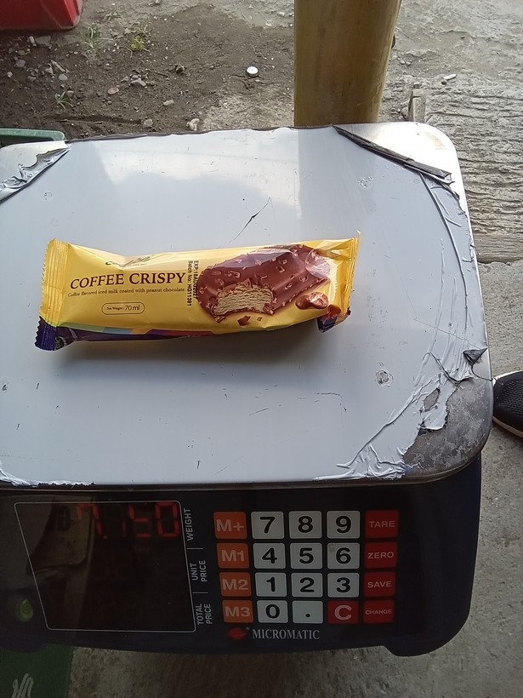
18 | 1773887748065 |  | ice cream, sorbet, edible ice (eg., ice-lolli, halo-halo) | 50 | grams (g) | 50 | 1120 | g | 22.4 | 22.4 | sonnet C1 sweep | ILOILO | OTON | no | 50 g | ALTHOUGH mL shown on package, in this case the packaging is very light, hence the mismeasurement from weighing the packaging is expected to be smaller than the mismeasurement from applying a general density conversion from external sources.
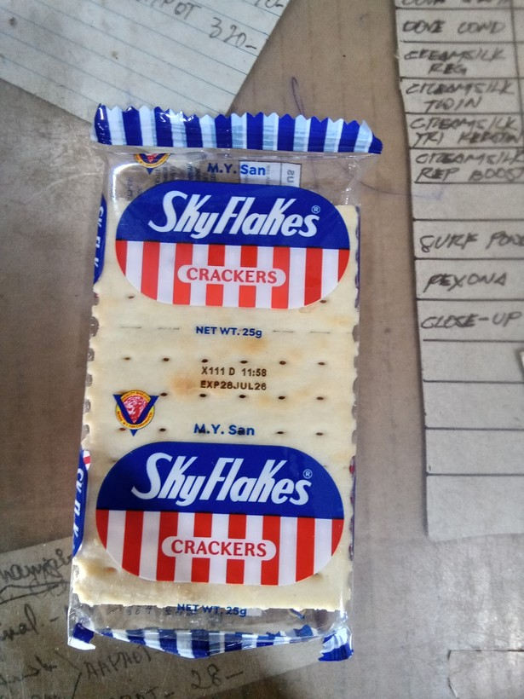
19 | 1774488084234 |  | crackers, cookies, buiscuits, chips/curls | 0.25 | grams (g) | 250 | 25 | g | 0.1 | 10 | package label (g) | ILOILO | BANATE | yes | 25 g
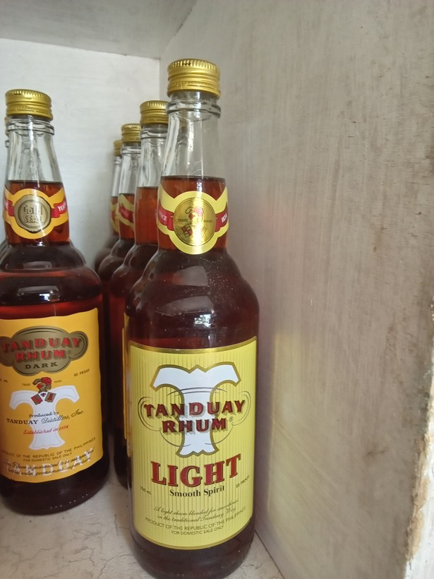
20 | 1774588675917 |  | liquor (e.g, whisky, coconut wine) | 0.75 | Litres (L) | 750 | 375 | mL | 0.5 | 2 | package label (mL) | ILOILO | IGBARAS | no | 750 mL
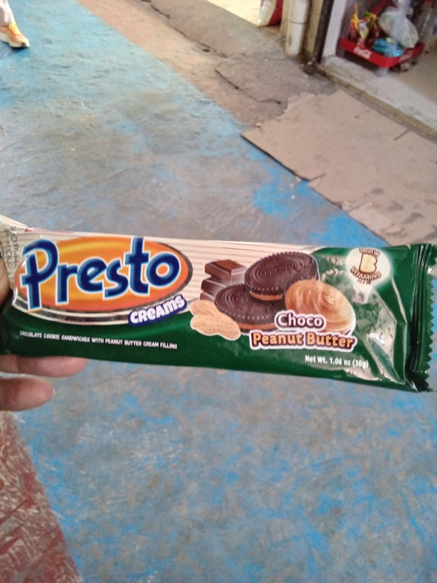
21 | 1774058611117 |  | crackers, cookies, buiscuits, chips/curls | 0.30000001 | grams (g) | 300 | 30 | g | 0.1 | 10 | package label (g) | ILOILO | SAN MIGUEL | yes
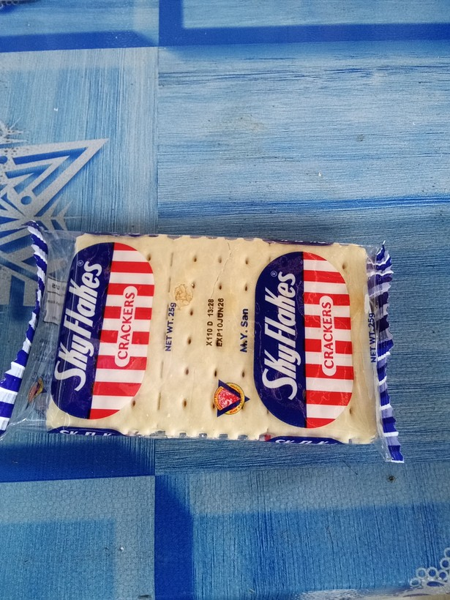
22 | 1774403539215 |  | crackers, cookies, buiscuits, chips/curls | 0.25 | grams (g) | 250 | 25 | g | 0.1 | 10 | package label (g) | ILOILO | BANATE | yes | 25 g
23 | 1774401432433 | 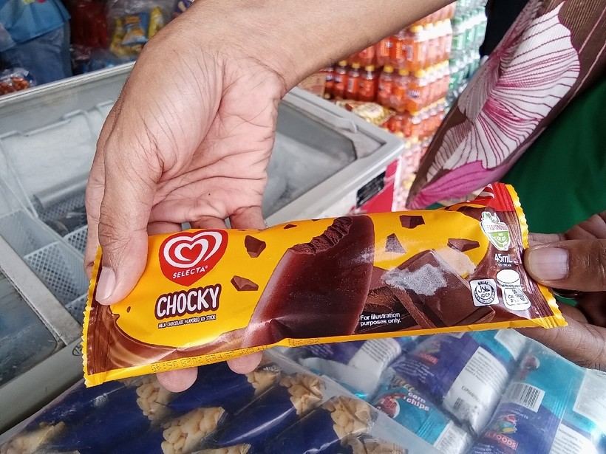 | ice cream, sorbet, edible ice (eg., ice-lolli, halo-halo) | 0.44999999 | grams (g) | 450 | 45 | mL | 0.1 | 10 | package label (mL) | ILOILO | CALINOG | yes | 45 mL
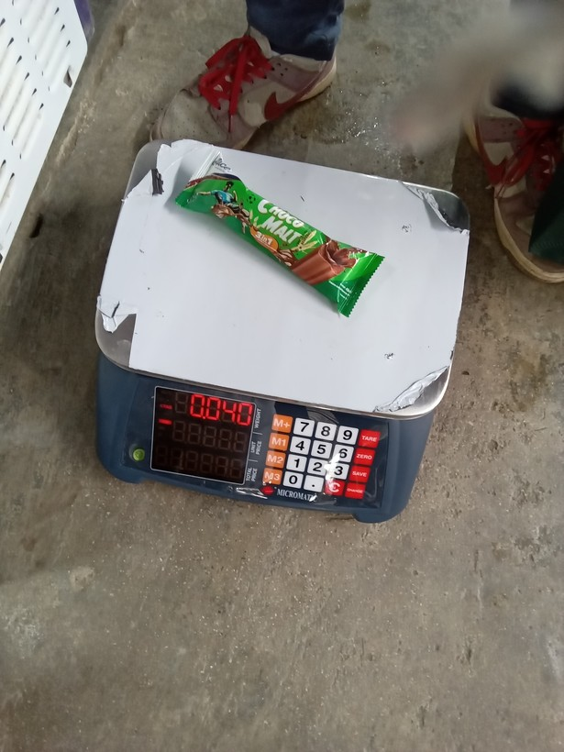
24 | 1773797426003 |  | ice cream, sorbet, edible ice (eg., ice-lolli, halo-halo) | 0.039999999 | Litres (L) | 40 | -40 | g | -1 | -1 | sonnet C1 sweep | ILOILO | CONCEPCION | no | 40 g | cannot read from package, using scale weight (packaging expected to be light)
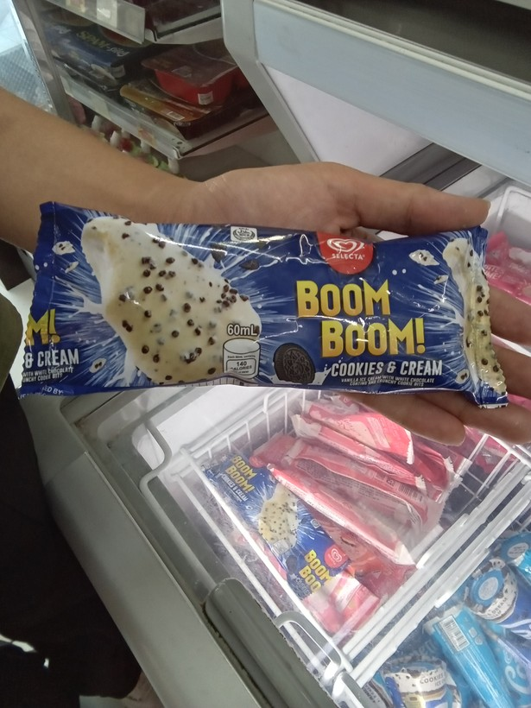
25 | 1775875117430 |  | ice cream, sorbet, edible ice (eg., ice-lolli, halo-halo) | 0.60000002 | Litres (L) | 600 | 60 | mL | 0.1 | 10 | package label (mL) | ILOILO | ALIMODIAN | yes
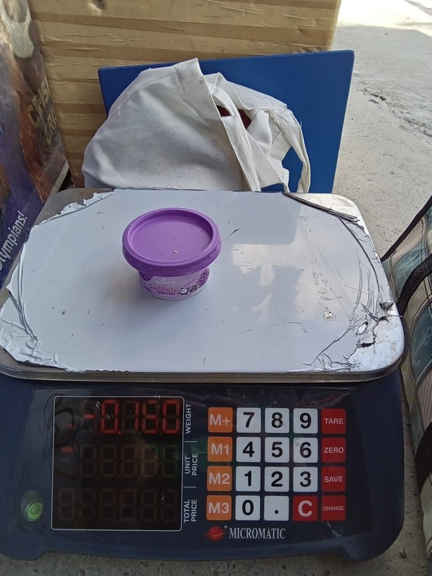
26 | 1773885030131 |  | ice cream, sorbet, edible ice (eg., ice-lolli, halo-halo) | 160 | grams (g) | 160 | -160 | g | -1 | -1 | sonnet C1 sweep | ILOILO | OTON | no | 160 g
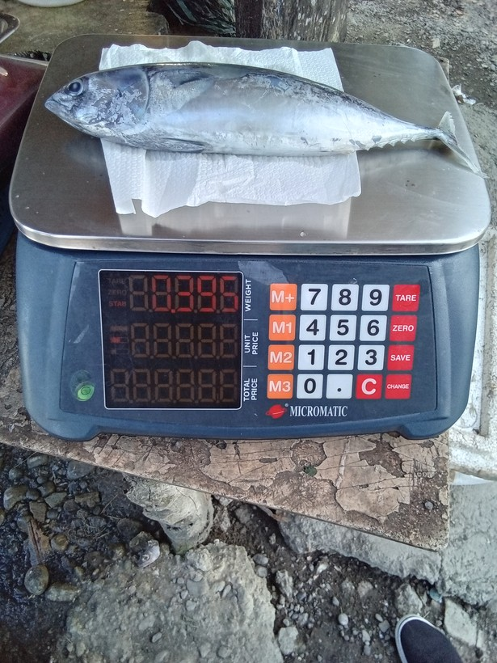
27 | 1777448700919 |  | fresh fish | 0.39500001 | grams (g) | 395 | 95 | g | 0.24050632911 | 4.1578947368 | sonnet sweep | AKLAN | MAKATO | no | 395 g
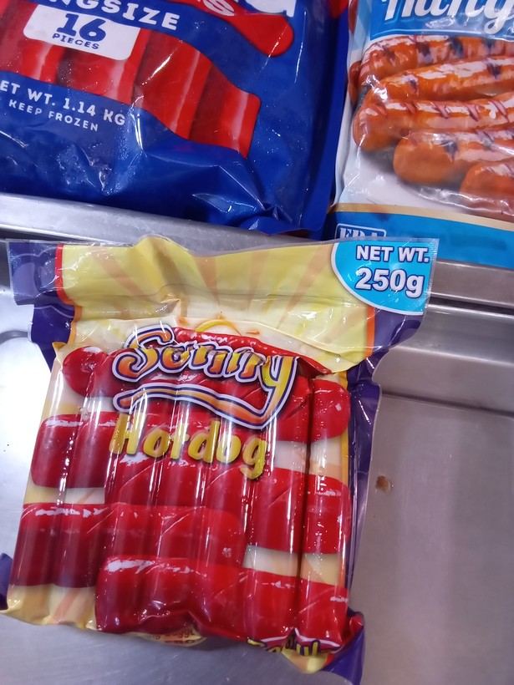
28 | 1774411363628 |  | preserved or processed meat (tocino, tapa, longaniza, etc) | 250 | grams (g) | 250 | 1140 | g | 4.56 | 4.56 | package label (g) | ILOILO | BAROTAC VIEJO | no | 250 g
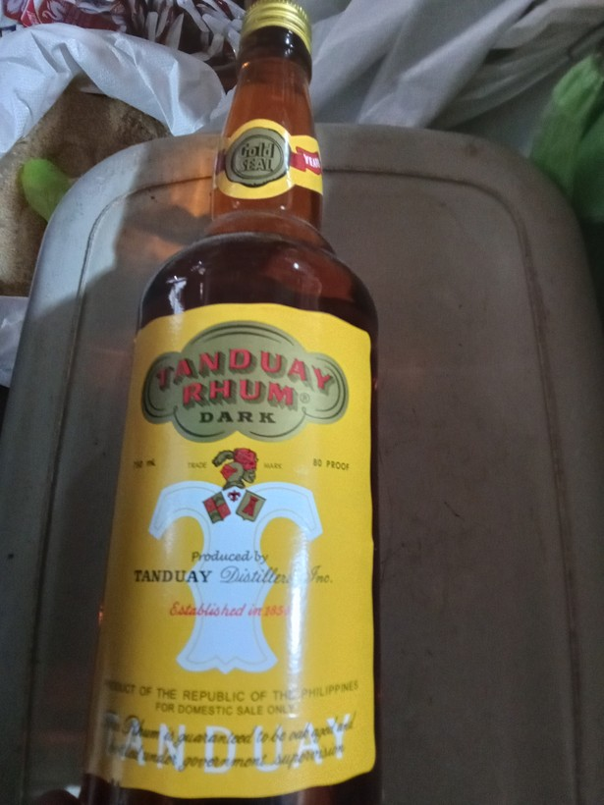
29 | 1776304644527 |  | liquor (e.g, whisky, coconut wine) | 0.75 | Litres (L) | 750 | 375 | mL | 0.5 | 2 | package label (mL) | CAPIZ | PILAR | no | 750 mL
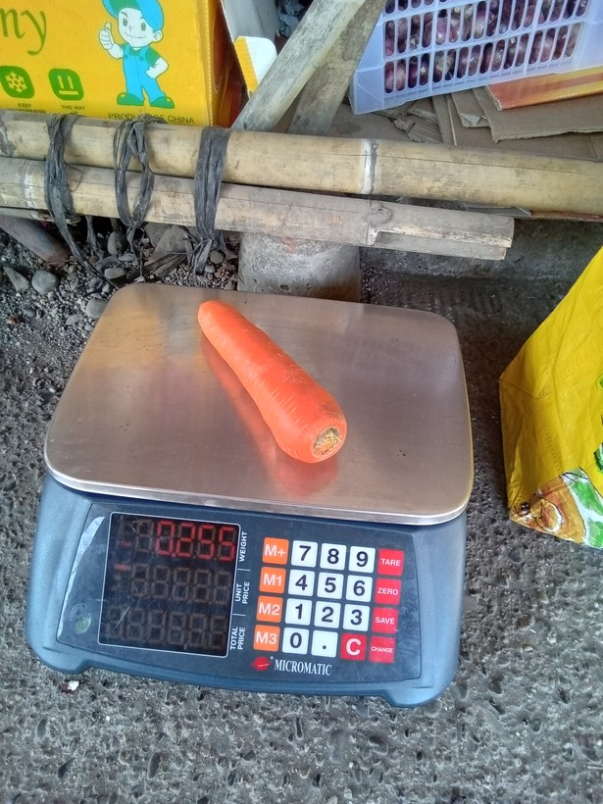
30 | 1776749502966 |  | carrot | 0.255 | grams (g) | 255 | 885 | g | 3.4705882353 | 3.4705882353 | sonnet sweep | ANTIQUE | PANDAN | no | 255 g
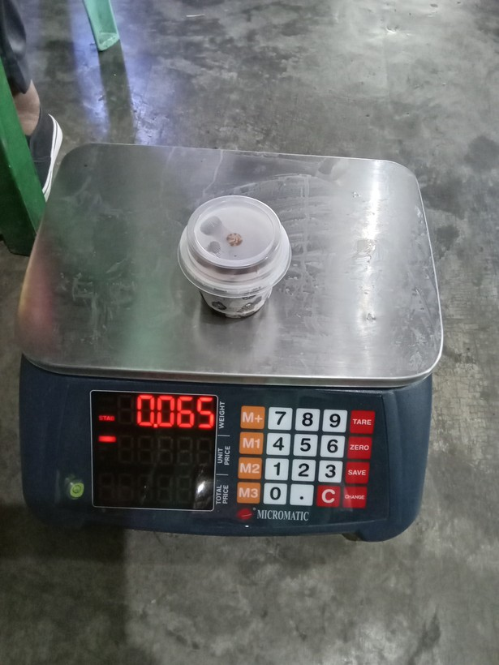
31 | 1773893158345 |  | ice cream, sorbet, edible ice (eg., ice-lolli, halo-halo) | 0.64999998 | grams (g) | 650 | 65 | g | 0.1 | 10 | sonnet sweep | ILOILO | SANTA BARBARA | yes
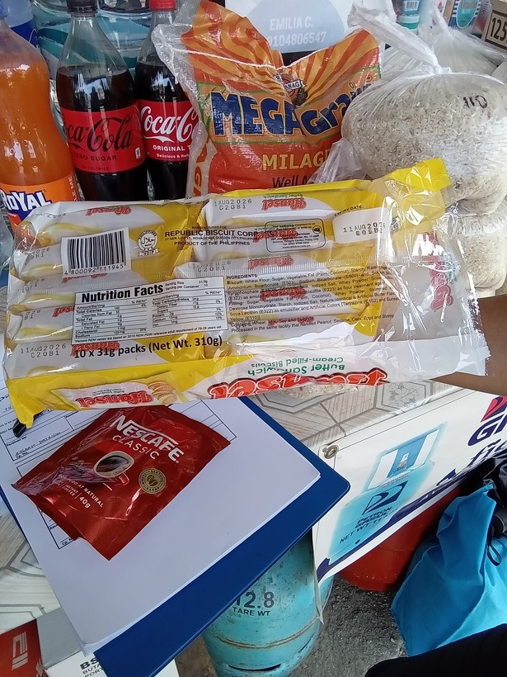
32 | 1777352442145 |  | crackers, cookies, buiscuits, chips/curls | 310 | grams (g) | 310 | 31 | g | 0.1 | 10 | package label (g) | AKLAN | BURUANGA | yes | 31 g | 31 g per individual pack; 310 g for 10 packs; depending on the NSU used?
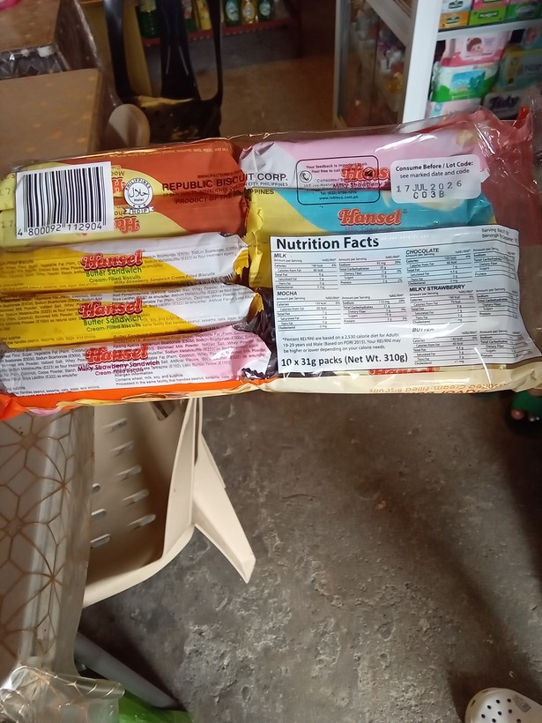
33 | 1777353668351 |  | crackers, cookies, buiscuits, chips/curls | 310 | grams (g) | 310 | 31 | g | 0.1 | 10 | package label (g) | AKLAN | BURUANGA | yes |  | 31 g per individual pack; 310 g for 10 packs; depending on the NSU used?
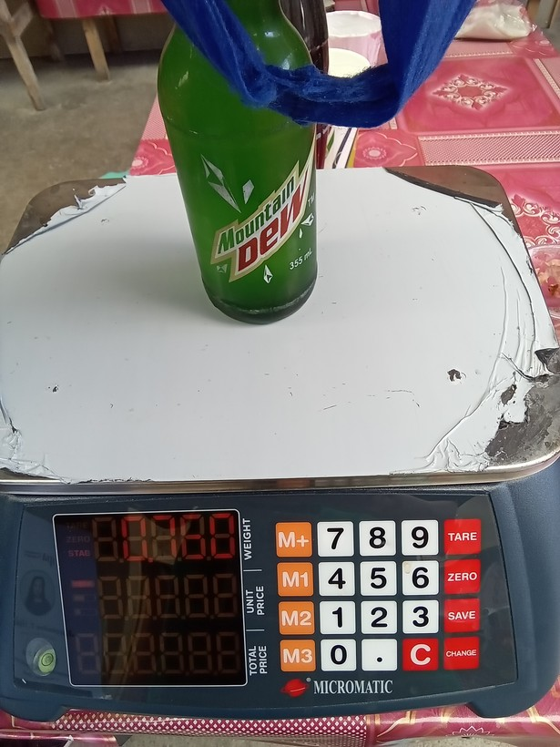
34 | 1773730865630 |  | drinks at restaurant, hotel, cafe, or kiosk | 760 | grams (g) | 760 | 355 | mL | 0.46710526316 | 2.1408450704 | human (mL rule) + mL label | ILOILO | TIGBAUAN | yes
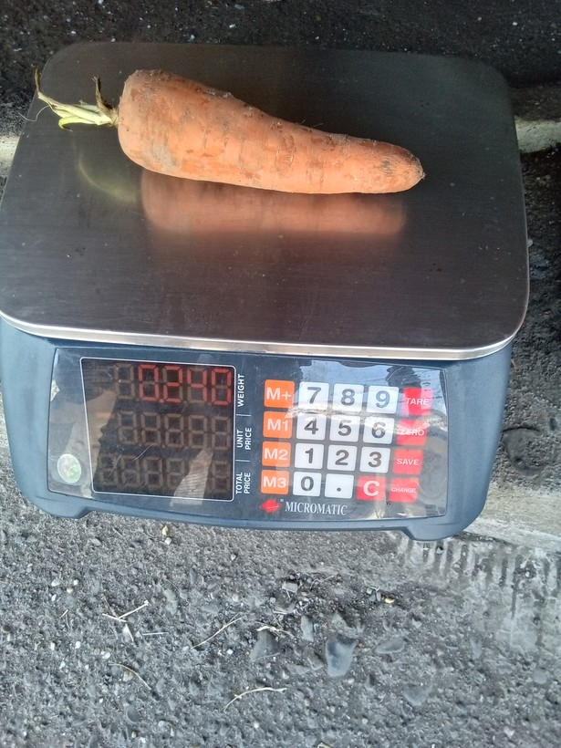
35 | 1776749986707 |  | carrot | 0.23999999 | grams (g) | 240 | 840 | g | 3.5 | 3.5 | sonnet sweep | ANTIQUE | PANDAN | no | 240 g
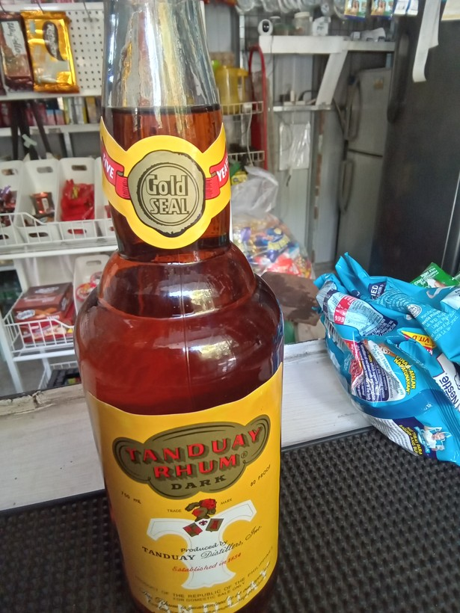
36 | 1774322623684 |  | liquor (e.g, whisky, coconut wine) | 0.75 | Litres (L) | 750 | 375 | mL | 0.5 | 2 | package label (mL) | ILOILO | SAN JOAQUIN | no | 750 mL
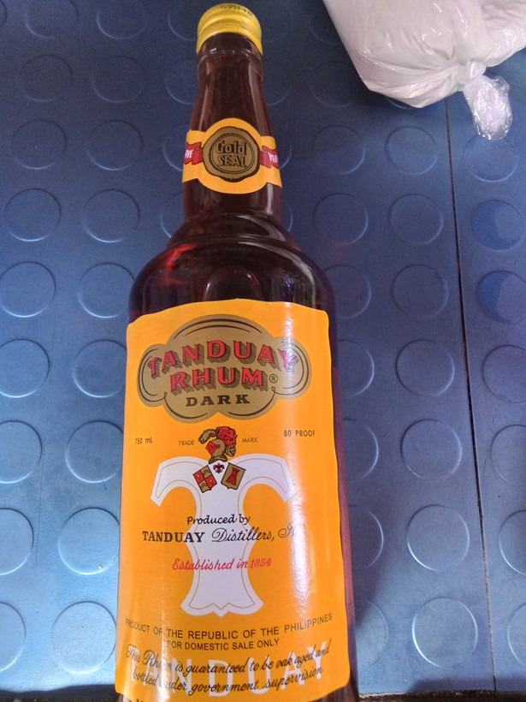
37 | 1776997911798 |  | liquor (e.g, whisky, coconut wine) | 750 | Litres (L) | 750 | 375 | mL | 0.5 | 2 | package label (mL) | NEGROS OCCIDENTAL | VALLADOLID | no | 750 mL
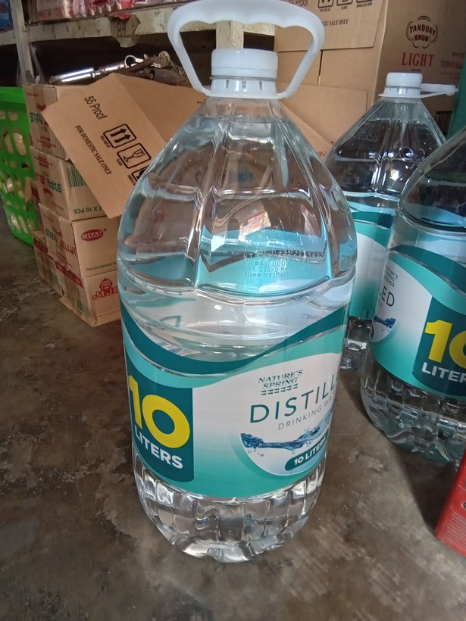
38 | 1776043770831 |  | mineral or spring water, all drinking water sold in containers | 0.0099999998 | Litres (L) | 1000 | 10000 | mL | 10 | 10 | package label (mL) | CAPIZ | SAPI-AN | yes
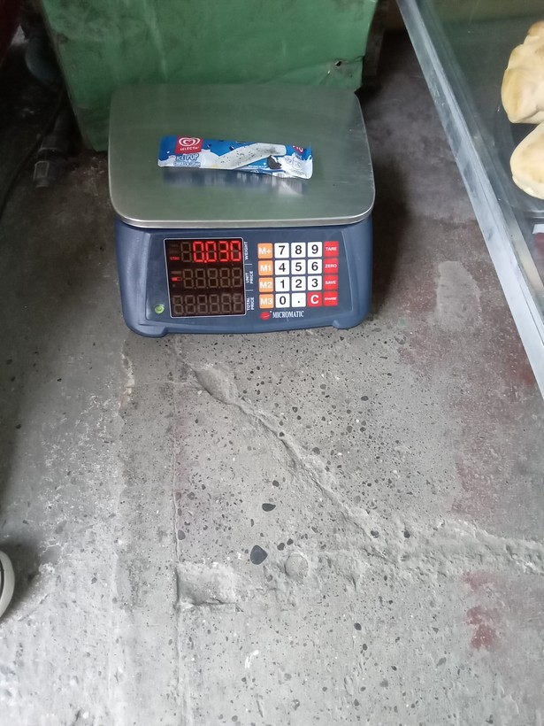
39 | 1773986875251 |  | ice cream, sorbet, edible ice (eg., ice-lolli, halo-halo) | 0.30000001 | grams (g) | 300 | 30 | g | 0.1 | 10 | sonnet sweep | ILOILO | SANTA BARBARA | yes
40 | 1778645527648 | 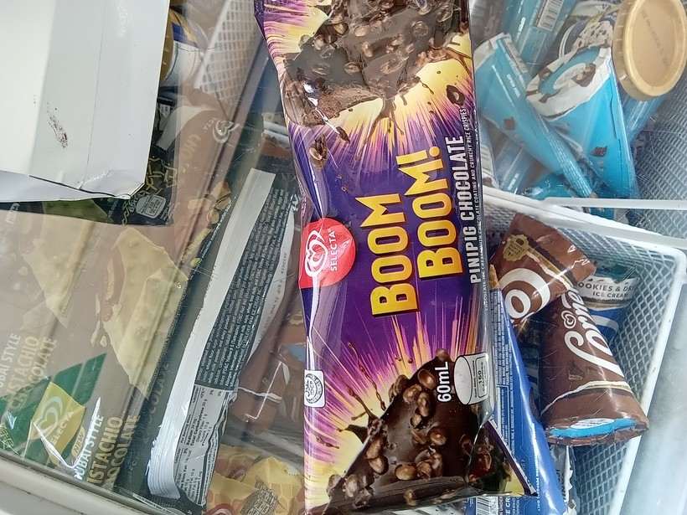 | ice cream, sorbet, edible ice (eg., ice-lolli, halo-halo) | 0.60000002 | Litres (L) | 600 | 60 | mL | 0.1 | 10 | package label (mL) | ILOILO | SARA | yes
41 | 1774409129991 | 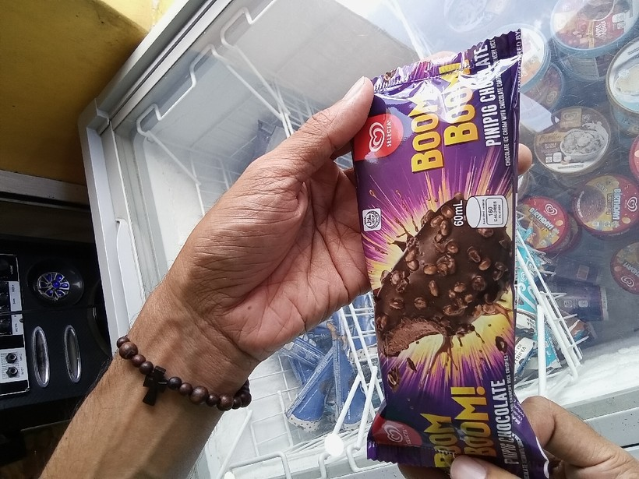 | ice cream, sorbet, edible ice (eg., ice-lolli, halo-halo) | 0.60000002 | Litres (L) | 600 | 60 | mL | 0.1 | 10 | package label (mL) | ILOILO | CALINOG | yes
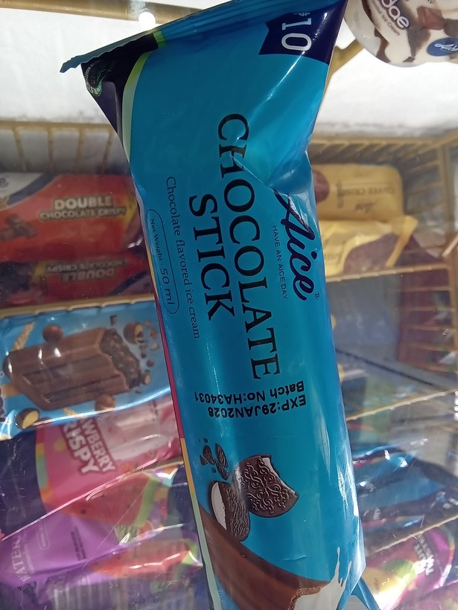
42 | 1774489560270 |  | ice cream, sorbet, edible ice (eg., ice-lolli, halo-halo) | 0.5 | Litres (L) | 500 | 50 | mL | 0.1 | 10 | package label (mL) | ILOILO | BAROTAC VIEJO | yes
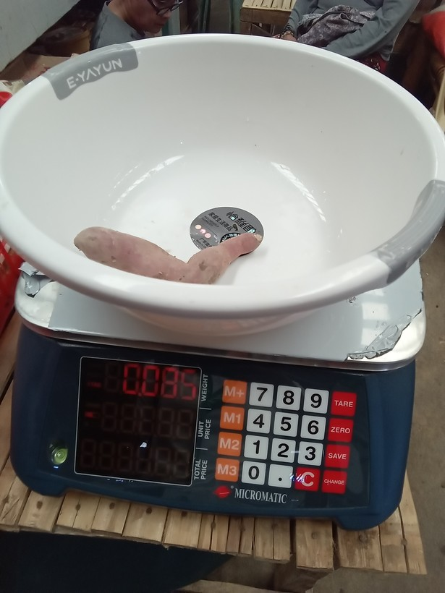
43 | 1773722622896 |  | camote | 0.85000002 | grams (g) | 850 | 85 | g | 0.1 | 10 | sonnet sweep | ILOILO | CONCEPCION | yes
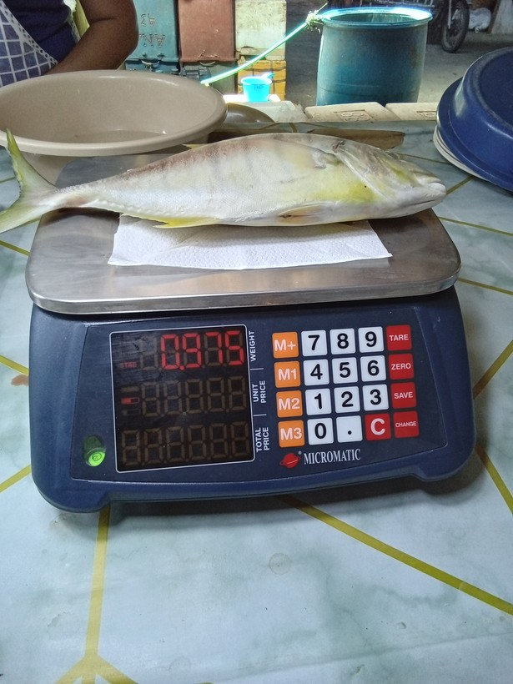
44 | 1775703284677 |  | fresh fish | 0.97500002 | grams (g) | 975 | 75 | g | 0.076923076923 | 13 | sonnet sweep | ILOILO | NEW LUCENA | no | 975 g
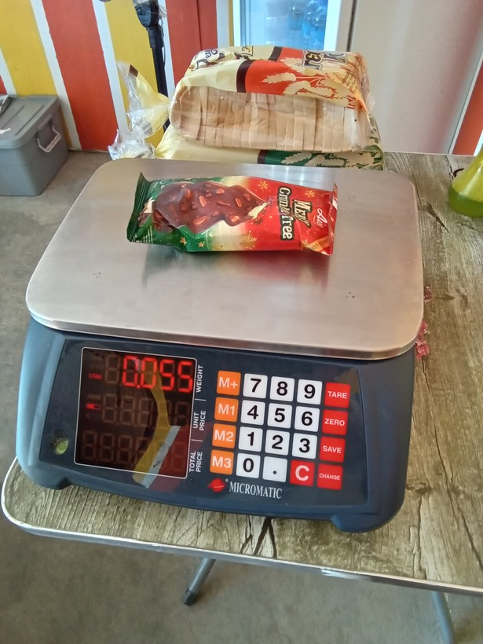
45 | 1773992412689 |  | ice cream, sorbet, edible ice (eg., ice-lolli, halo-halo) | 0.55000001 | grams (g) | 550 | 55 | g | 0.1 | 10 | sonnet sweep | ILOILO | SANTA BARBARA | yes
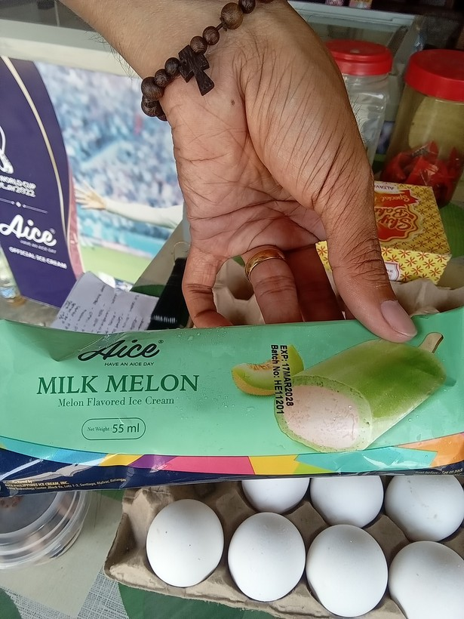
46 | 1778814797759 |  | ice cream, sorbet, edible ice (eg., ice-lolli, halo-halo) | 0.55000001 | Litres (L) | 550 | 55 | mL | 0.1 | 10 | package label (mL) | ILOILO | DUEĂ‘AS | yes
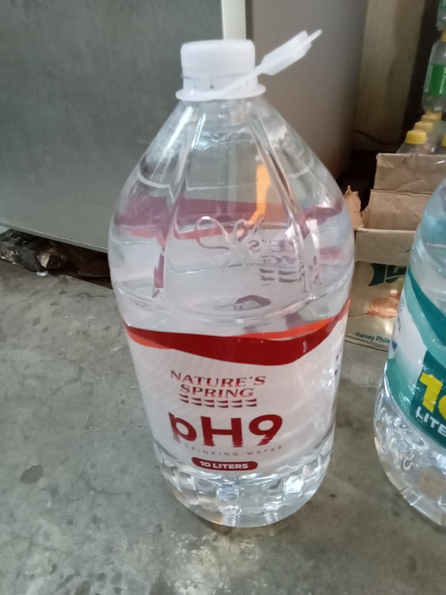
47 | 1776046490364 |  | mineral or spring water, all drinking water sold in containers | 0.0099999998 | Litres (L) | 1000 | 10000 | mL | 10 | 10 | package label (mL) | CAPIZ | SAPI-AN | yes
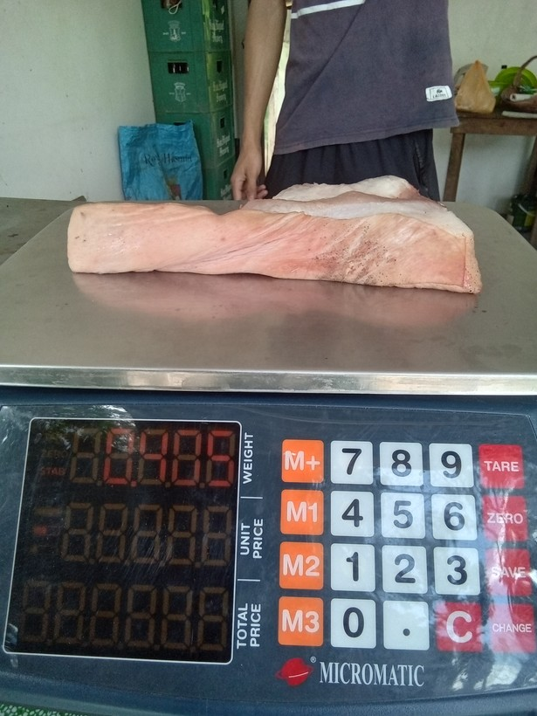
48 | 1774581902994 |  | pork | 0.405 | grams (g) | 405 | 908 | g | 2.2419753086 | 2.2419753086 | sonnet sweep | ILOILO | BADIANGAN | no | 405 g
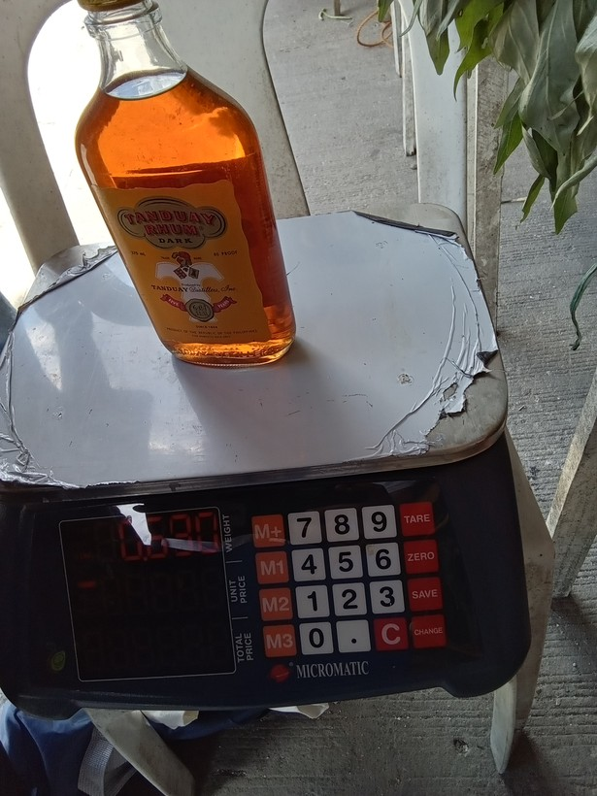
49 | 1773813534835 |  | liquor (e.g, whisky, coconut wine) | 0.68000001 | Litres (L) | 680 | 0 | g | 0 | 0 | sonnet C1 sweep | ILOILO | TIGBAUAN | no | 680 mL
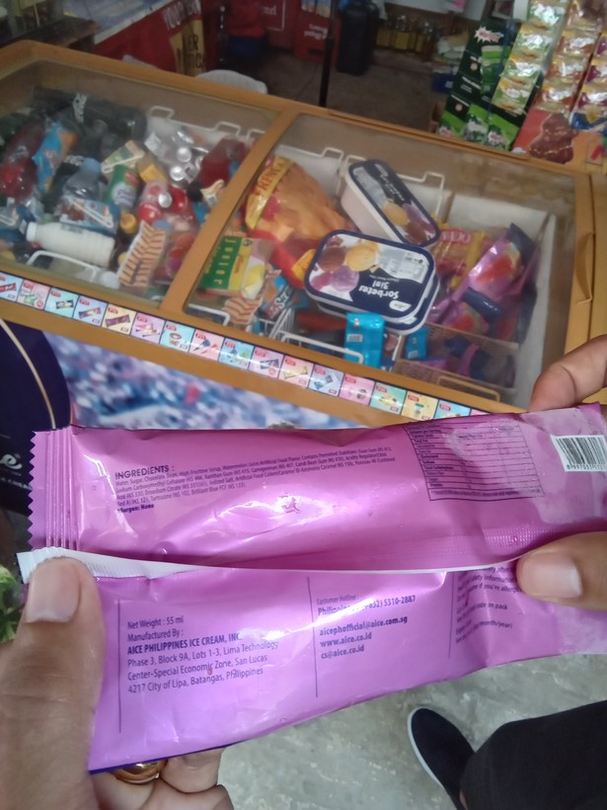
50 | 1775528704349 |  | ice cream, sorbet, edible ice (eg., ice-lolli, halo-halo) | 0.55000001 | Litres (L) | 550 | 55 | mL | 0.1 | 10 | package label (mL) | ILOILO | DUEĂ‘AS | yes

51 | 1776386530095 |  | liquor (e.g, whisky, coconut wine) | 750 | grams (g) | 750 | 375 | mL | 0.5 | 2 | package label (mL) | ANTIQUE | LAUA-AN | no | 750 mL

52 | 1774421893091 |  | chicken | 990 | grams (g) | 990 | -990 | g | -1 | -1 | sonnet C1 sweep | ILOILO | LAMBUNAO | no | 990 g

53 | 1773890538111 |  | camote | 0.15000001 | grams (g) | 150 | 58 | g | 0.38666666667 | 2.5862068966 | sonnet sweep | ILOILO | LEMERY | no | 150 g

54 | 1776048791260 |  | crackers, cookies, buiscuits, chips/curls | 295.01999 | grams (g) | 295 | 24.6 | g | 0.083389830508 | 11.991869919 | package label (g) | CAPIZ | MAMBUSAO | yes

55 | 1775881966545 |  | camote tops | 0.17 | grams (g) | 170 | 8170 | g | 48.058823529 | 48.058823529 | sonnet sweep | ILOILO | MAASIN | no | 170 g

56 | 1777514184039 |  | liquor (e.g, whisky, coconut wine) | 0.75 | Litres (L) | 750 | 375 | mL | 0.5 | 2 | package label (mL) | AKLAN | TANGALAN | no | 750 mL
57 | 1774577345600 |  | ice cream, sorbet, edible ice (eg., ice-lolli, halo-halo) | 0.40000001 | grams (g) | 400 | 40 | g | 0.1 | 10 | package label (g) | ILOILO | ANILAO | yes
58 | 1774501592429 |  | ice cream, sorbet, edible ice (eg., ice-lolli, halo-halo) | 0.43000001 | Litres (L) | 430 | 45 | g | 0.10465116279 | 9.5555555556 | package label (g) | ILOILO | CALINOG | no | 43 g

59 | 1773884965405 |  | ice cream, sorbet, edible ice (eg., ice-lolli, halo-halo) | 150 | grams (g) | 150 | -50 | g | -0.33333333333 | -0.33333333333 | sonnet C1 sweep | ILOILO | OTON | no | 150 g

60 | 1774318876014 |  | carrot | 0.22 | grams (g) | 220 | 80 | g | 0.36363636364 | 2.75 | sonnet sweep | ILOILO | SAN MIGUEL | no | 220 g

61 | 1776825532809 |  | cabbage | 0.67000002 | grams (g) | 670 | 1670 | g | 2.4925373134 | 2.4925373134 | sonnet sweep | ANTIQUE | TIBIAO | no | 670 g

62 | 1774054677955 |  | ice cream, sorbet, edible ice (eg., ice-lolli, halo-halo) | 0.47999999 | Litres (L) | 480 | 48 | mL | 0.1 | 10 | package label (mL) | ILOILO | CARLES | yes

63 | 1778028947163 |  | ice cream, sorbet, edible ice (eg., ice-lolli, halo-halo) | 0.085000001 | grams (g) | 85 | 685 | g | 8.0588235294 | 8.0588235294 | sonnet sweep | AKLAN | MAKATO | no | 85 g

64 | 1778047155232 |  | liquor (e.g, whisky, coconut wine) | 0.75 | Litres (L) | 750 | 375 | mL | 0.5 | 2 | package label (mL) | NEGROS OCCIDENTAL | CANDONI | no | 750 mL

65 | 1778816191987 |  | ice cream, sorbet, edible ice (eg., ice-lolli, halo-halo) | 0.64999998 | Litres (L) | 650 | 65 | mL | 0.1 | 10 | package label (mL) | ILOILO | DUEĂ‘AS | yes

66 | 1773975938588 |  | ice cream, sorbet, edible ice (eg., ice-lolli, halo-halo) | 0.84500003 | grams (g) | 845 | 45 | g | 0.05325443787 | 18.777777778 | sonnet sweep | ILOILO | SANTA BARBARA | no | 845 g | including weight from container

67 | 1773797771519 |  | ice cream, sorbet, edible ice (eg., ice-lolli, halo-halo) | 1.04 | Kilograms (Kgs) | 104 | 1500 | mL | 14.423076923 | 14.423076923 | sonnet sweep + mL label | ILOILO | SAN RAFAEL | yes

68 | 1777075991715 |  | ice cream, sorbet, edible ice (eg., ice-lolli, halo-halo) | 0.60000002 | Litres (L) | 600 | 60 | mL | 0.1 | 10 | package label (mL) | ANTIQUE | BUGASONG | yes

69 | 1776045945900 |  | mineral or spring water, all drinking water sold in containers | 0.0099999998 | Litres (L) | 1000 | 10000 | mL | 10 | 10 | package label (mL) | CAPIZ | SAPI-AN | yes

70 | 1777345409391 |  | crackers, cookies, buiscuits, chips/curls | 300 | grams (g) | 300 | 30 | g | 0.1 | 10 | package label (g) | AKLAN | BURUANGA | yes |  | 30 g per pack; showing 10 pack package

71 | 1773993858080 |  | ice cream, sorbet, edible ice (eg., ice-lolli, halo-halo) | 45 | grams (g) | 45 | -45 | g | -1 | -1 | sonnet C1 sweep | ILOILO | OTON | no | 45 g

72 | 1776041702218 |  | camote | 0.34999999 | grams (g) | 350 | 950 | g | 2.7142857143 | 2.7142857143 | sonnet sweep | ILOILO | ALIMODIAN | no | 350 g

73 | 1778719778040 |  | mango | 0.26499999 | grams (g) | 265 | 865 | g | 3.2641509434 | 3.2641509434 | sonnet sweep | ILOILO | NEW LUCENA | no | 265 g

74 | 1777268567002 |  | crackers, cookies, buiscuits, chips/curls | 330 | grams (g) | 330 | 33 | g | 0.1 | 10 | package label (g) | AKLAN | BURUANGA | yes |  | pack vs multi-pack weights

75 | 1773730902464 |  | drinks at restaurant, hotel, cafe, or kiosk | 0.0018300001 | Litres (L) | 183 | 1830 | g | 10 | 10 | sonnet sweep | ILOILO | TIGBAUAN | yes

76 | 1775867539235 |  | rice | 0.37 | grams (g) | 370 | 8370 | g | 22.621621622 | 22.621621622 | sonnet sweep | ILOILO | ALIMODIAN | no | 370 g

77 | 1774412112617 |  | ice cream, sorbet, edible ice (eg., ice-lolli, halo-halo) | 0.60000002 | Litres (L) | 600 | 60 | mL | 0.1 | 10 | package label (mL) | ILOILO | BAROTAC VIEJO | yes

78 | 1776650704998 |  | ice cream, sorbet, edible ice (eg., ice-lolli, halo-halo) | 0.69999999 | Litres (L) | 700 | 70 | mL | 0.1 | 10 | package label (mL) | ANTIQUE | BELISON | yes
79 | 1775703101721 |  | preserved or processed meat (tocino, tapa, longaniza, etc) | 0.0012000001 | Litres (L) | 120 | 1200 | g | 10 | 10 | package label (g) | ILOILO | MINA | yes |  | 1200 g for 17 pieces; depending on NSUs

80 | 1773910264761 |  | fresh fish | 0.52999997 | grams (g) | 530 | 1530 | g | 2.8867924528 | 2.8867924528 | sonnet sweep | ILOILO | SARA | no | 530 g

81 | 1775533986021 |  | ice cream, sorbet, edible ice (eg., ice-lolli, halo-halo) | 0.34999999 | grams (g) | 350 | 35 | mL | 0.1 | 10 | package label (mL) | ILOILO | DUEĂ‘AS | yes

82 | 1775704731507 |  | carrot | 0.45500001 | grams (g) | 455 | 195 | g | 0.42857142857 | 2.3333333333 | sonnet sweep | ILOILO | POTOTAN | no | 455 g

83 | 1774491239222 |  | preserved or processed meat (tocino, tapa, longaniza, etc) | 115 | Kilograms (Kgs) | 115 | 1150 | g | 10 | 10 | package label (g) | ILOILO | BATAD | yes |  | 1150 g for 15 pieces; depending on NSUs

84 | 1777687747924 |  | ice cream, sorbet, edible ice (eg., ice-lolli, halo-halo) | 0.1 | Litres (L) | 100 | 500 | mL | 5 | 5 | package label (mL) | NEGROS OCCIDENTAL | HINOBA-AN (ASIA) | no | 100 mL

85 | 1779256979804 |  | ice cream, sorbet, edible ice (eg., ice-lolli, halo-halo) | 0.465 | grams (g) | 47 | 465 | g | 9.8936170213 | 9.8936170213 | sonnet sweep | ANTIQUE | LAUA-AN | yes

86 | 1774315985818 |  | liquor (e.g, whisky, coconut wine) | 0.75 | Litres (L) | 750 | 375 | mL | 0.5 | 2 | package label (mL) | ILOILO | SAN JOAQUIN | no | 750 mL

87 | 1775534776224 |  | ice cream, sorbet, edible ice (eg., ice-lolli, halo-halo) | 0.34999999 | Litres (L) | 35 | 350 | mL | 10 | 10 | package label (mL) | CAPIZ | SIGMA | yes

88 | 1774062582225 |  | cabbage | 0.79000002 | grams (g) | 790 | 380 | g | 0.48101265823 | 2.0789473684 | sonnet sweep | ILOILO | SAN MIGUEL | no | 790 g

89 | 1773722601564 |  | camote | 0.75 | grams (g) | 750 | 75 | g | 0.1 | 10 | sonnet sweep | ILOILO | CONCEPCION | yes

90 | 1776826647844 |  | ice cream, sorbet, edible ice (eg., ice-lolli, halo-halo) | 450 | grams (g) | 450 | 100 | mL | 0.22222222222 | 4.5 | package label (mL) | NEGROS OCCIDENTAL | PONTEVEDRA | no | 400 mL

91 | 1773885855980 |  | fresh fish | 0.38999999 | grams (g) | 390 | 880 | g | 2.2564102564 | 2.2564102564 | sonnet sweep | ILOILO | SANTA BARBARA | no | 390 g

92 | 1775525820057 |  | camote tops | 175 | grams (g) | 175 | -175 | g | -1 | -1 | sonnet C1 sweep | ILOILO | DINGLE | no | 175 g

93 | 1775534740777 |  | ice cream, sorbet, edible ice (eg., ice-lolli, halo-halo) | 0.5 | Litres (L) | 500 | 50 | mL | 0.1 | 10 | package label (mL) | ILOILO | DUEĂ‘AS | yes

94 | 1775875800167 |  | ice cream, sorbet, edible ice (eg., ice-lolli, halo-halo) | 0.69999999 | Litres (L) | 700 | 70 | mL | 0.1 | 10 | package label (mL) | ILOILO | ALIMODIAN | yes

